Gaph_Basic Problem B-09
Name | Similarity_X | Similarity_Y
AC | 0.97065215692 | 0.70704331195
AB | 0.74069694253 | 0.66862842059
B4 | 0.88294954947 | 0.72836510913
B5 | 0.92552177137 | 0.78363030118
B6 | 0.76790114097 | 0.67110910814
B1 | 1 | 1
B2 | 0.74069694253 | 0.66862842059
B3 | 0.71713759214 | 0.66734857035
C3 | 1 | 1
C2 | 0.97065215692 | 0.70704331195
C1 | 0.71713759214 | 0.66734857035
C6 | 0.94941670555 | 0.66921959975
C5 | 0.66699131564 | 0.66667605525
C4 | 0.82238925427 | 0.66675931054

Sheet1

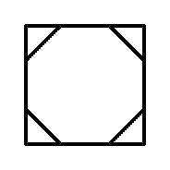

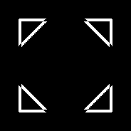

AB -> And
AC - > And
AB- > xor
AC - > xor






B1 -> And
B2 -> And
B3 -> And
B4 -> And
B5 -> And
B6 -> And


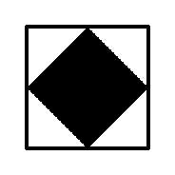

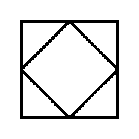

C1 -> And
C2 -> And
C3 -> And
C4 -> And
C5 -> And
C6 -> And


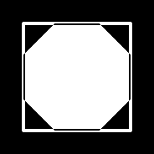




B1 -> xor
B2 -> xor
B3 -> xor
B4 -> xor
B5 -> xor
B6 -> xor





C1 -> xor
C2 -> xor
C3 -> xor
C4 -> xor
C5 -> xor
C6 -> xor

